motherhood plan
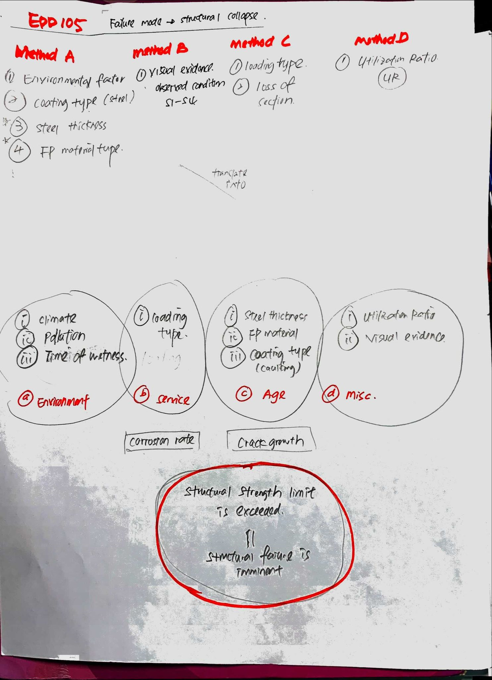
remarks
a. Environment
instead of climate and time of wetness--> water infitration
water infiltration from external source with reference to NACE RP0198-98
includes the following
-rainfall
-drift from cooling towers
-spray from sprinklers and washdown
-process liquid spillage
-steam discharge
condensate not considered
-pollution
b.+ c. effect of design
-loading type
- shape factor ( easy funnel water)
-steel thickness
-FP material
-coating type

d. Misc/ Site marker
-utilization ratio
-visual evidence (S1-S4 C1-C6)

a. environment
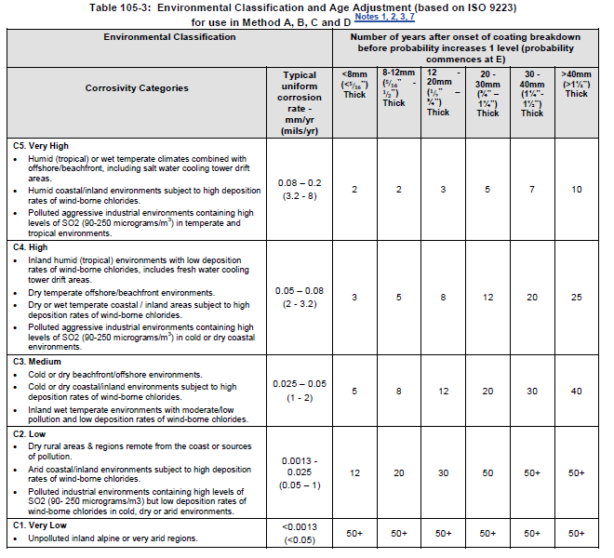
 |  |  | likelyhood |  | reference to EDD 105 | env classification and age adjustment ISO9223.
 | lognormal |  | confident level |  | typical steel section 12-20mm selected
Envinronment | year after onset coating breakdown | taking 50 years as lifespan | corrosion rate | remark
C5+ | 2 | 0.04 | 0.6 | micro- env.
C5 | 3 | 0.06 | 0.3
C4 | 8 | 0.16 | 0.067
C3 | 12 | 0.24 | 0.033
C2 | 30 | 0.6
C1 | 50 | 1

NACE RP 0198-98 fire 1 effect of temp on steel corrosion in water
temperature | corrosion rate, mm/y
80 | 0.75
60 | 0.55
40 | 0.375
20 | 0.25

c. site marker
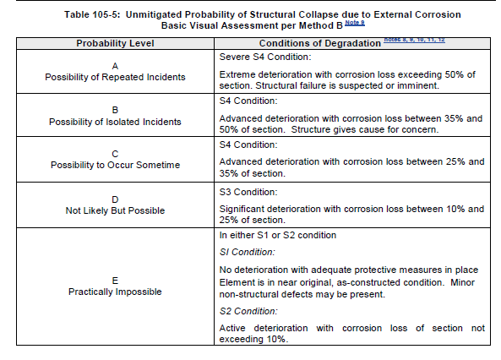

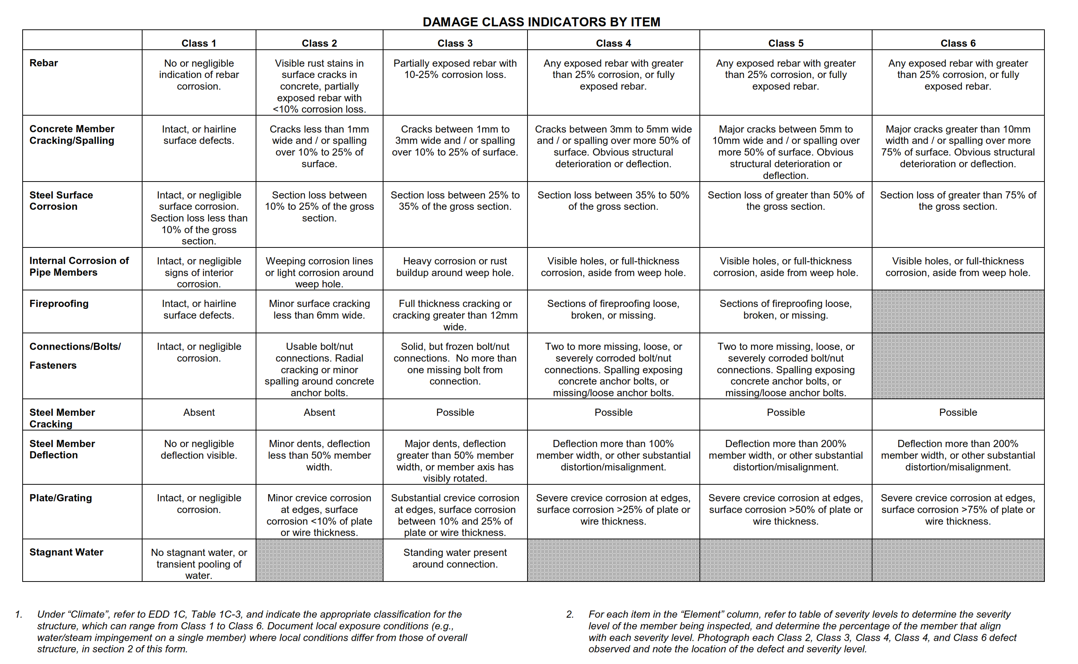

Visual Evidence
Damage classification | condition cat | crack growth | remark
Class 0 | S1
Class 1 | S1 | 0.0033
Class 2 | S2 | 0.0067
Class 3 | S3 | 0.03
Class 4 | S3 | 0.06
Class 5 | S3 | 0.3
Class 6 | S4 | 0.6

structural analysis
Utilization Ratio |  | >structural strength | remark
1.75 |  | 0.6
1.50-1.75 |  | 0.3
1.25-1.50 |  | 0.067
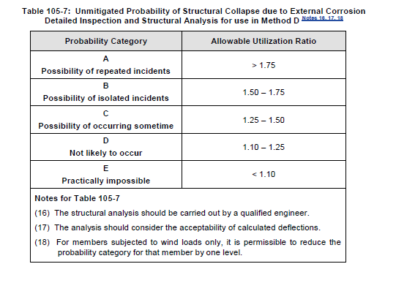
1.10-1.25 |  | 0.033
<1.10 |  | -

